Council
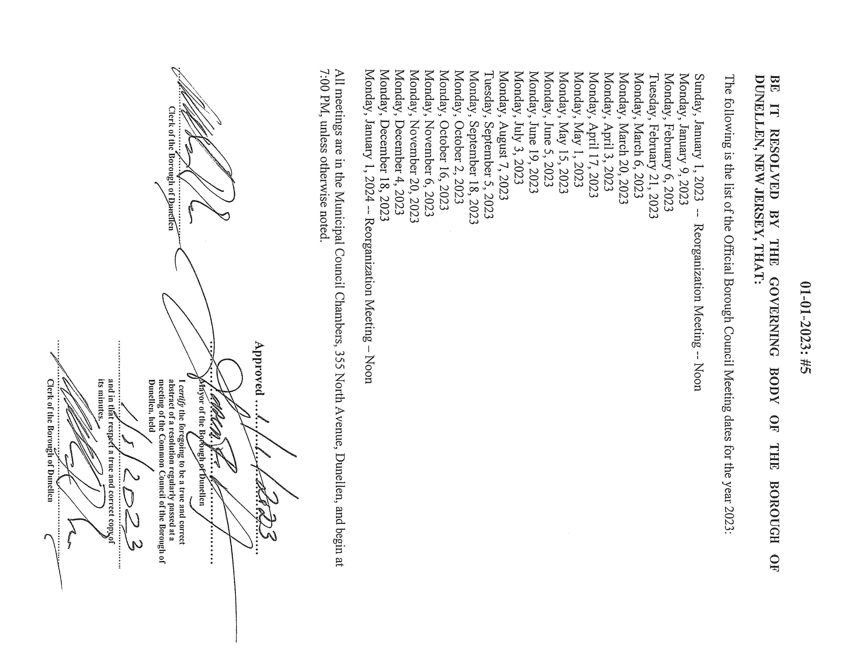
List of Council Meeting Dates for 2023:
 | These meetings are held virtual and in person an live streamed through Youtube.
 | Residents can either speak at the meeting in person or call in from home and speak during public comment.
 | The meetings are recorded and can be viewed on our Youtube Channel after the meeting is adjourned.

Planning and Zoning
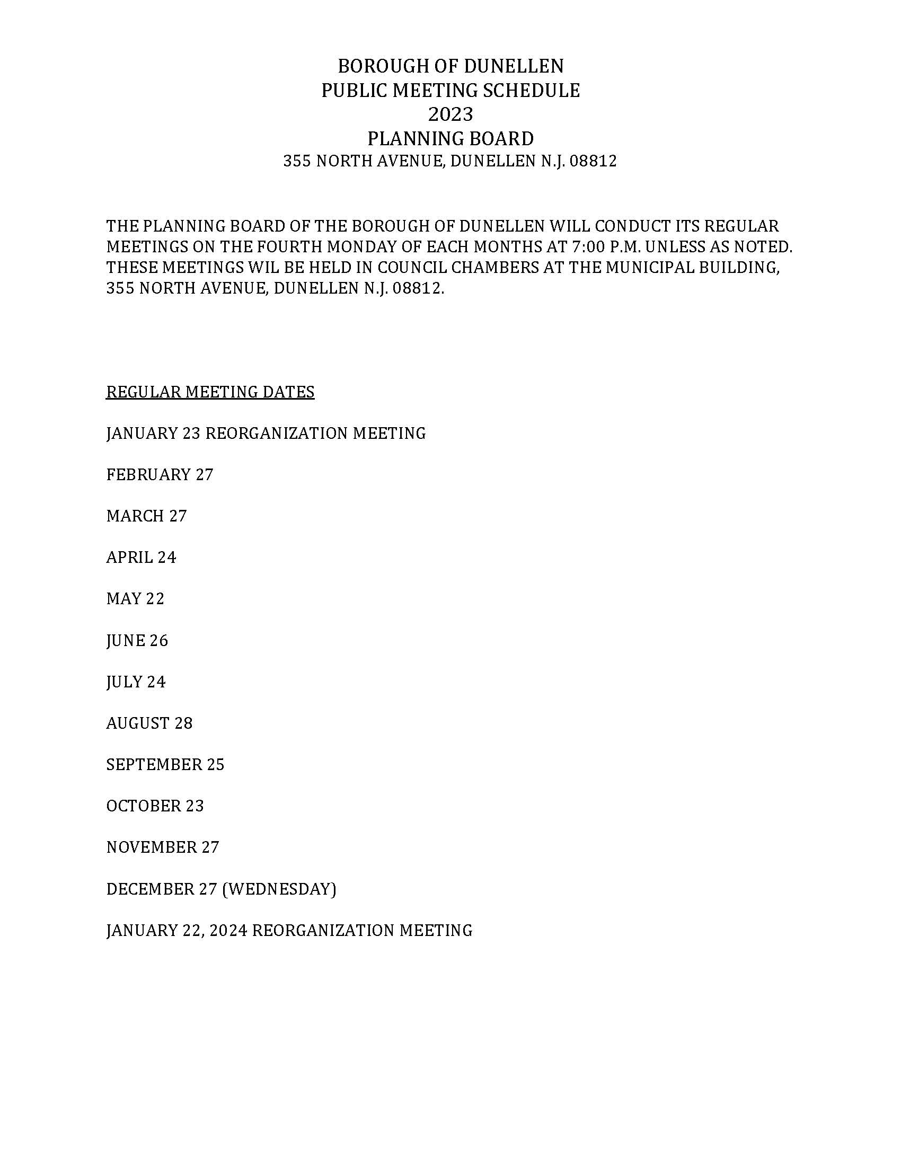
List of Meeting Dates for 2023:
 | Meetings are held in person only with no remote viewing. If need they could held virtually.
 | Participation is in person.
 | Meetings are recorded. They can be made available at the Clerks Office.

Library Board
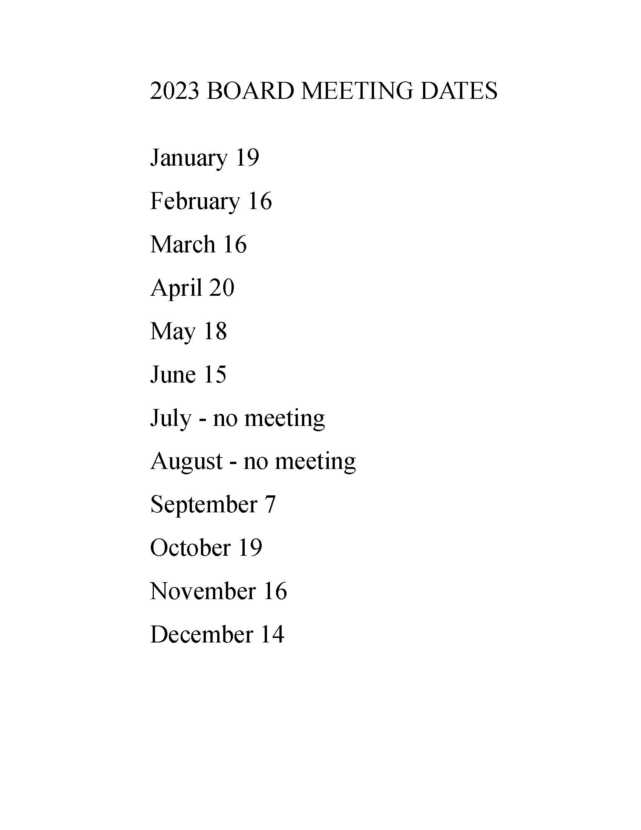
List of Meeting Dates for 2023:
 | These meetings are held in person. If needed they could be held virtually.
 | Participation is in person.
 | The meetings are recorded then transcribed to minutes. The minutes are kept at the library.

Recreation Commission
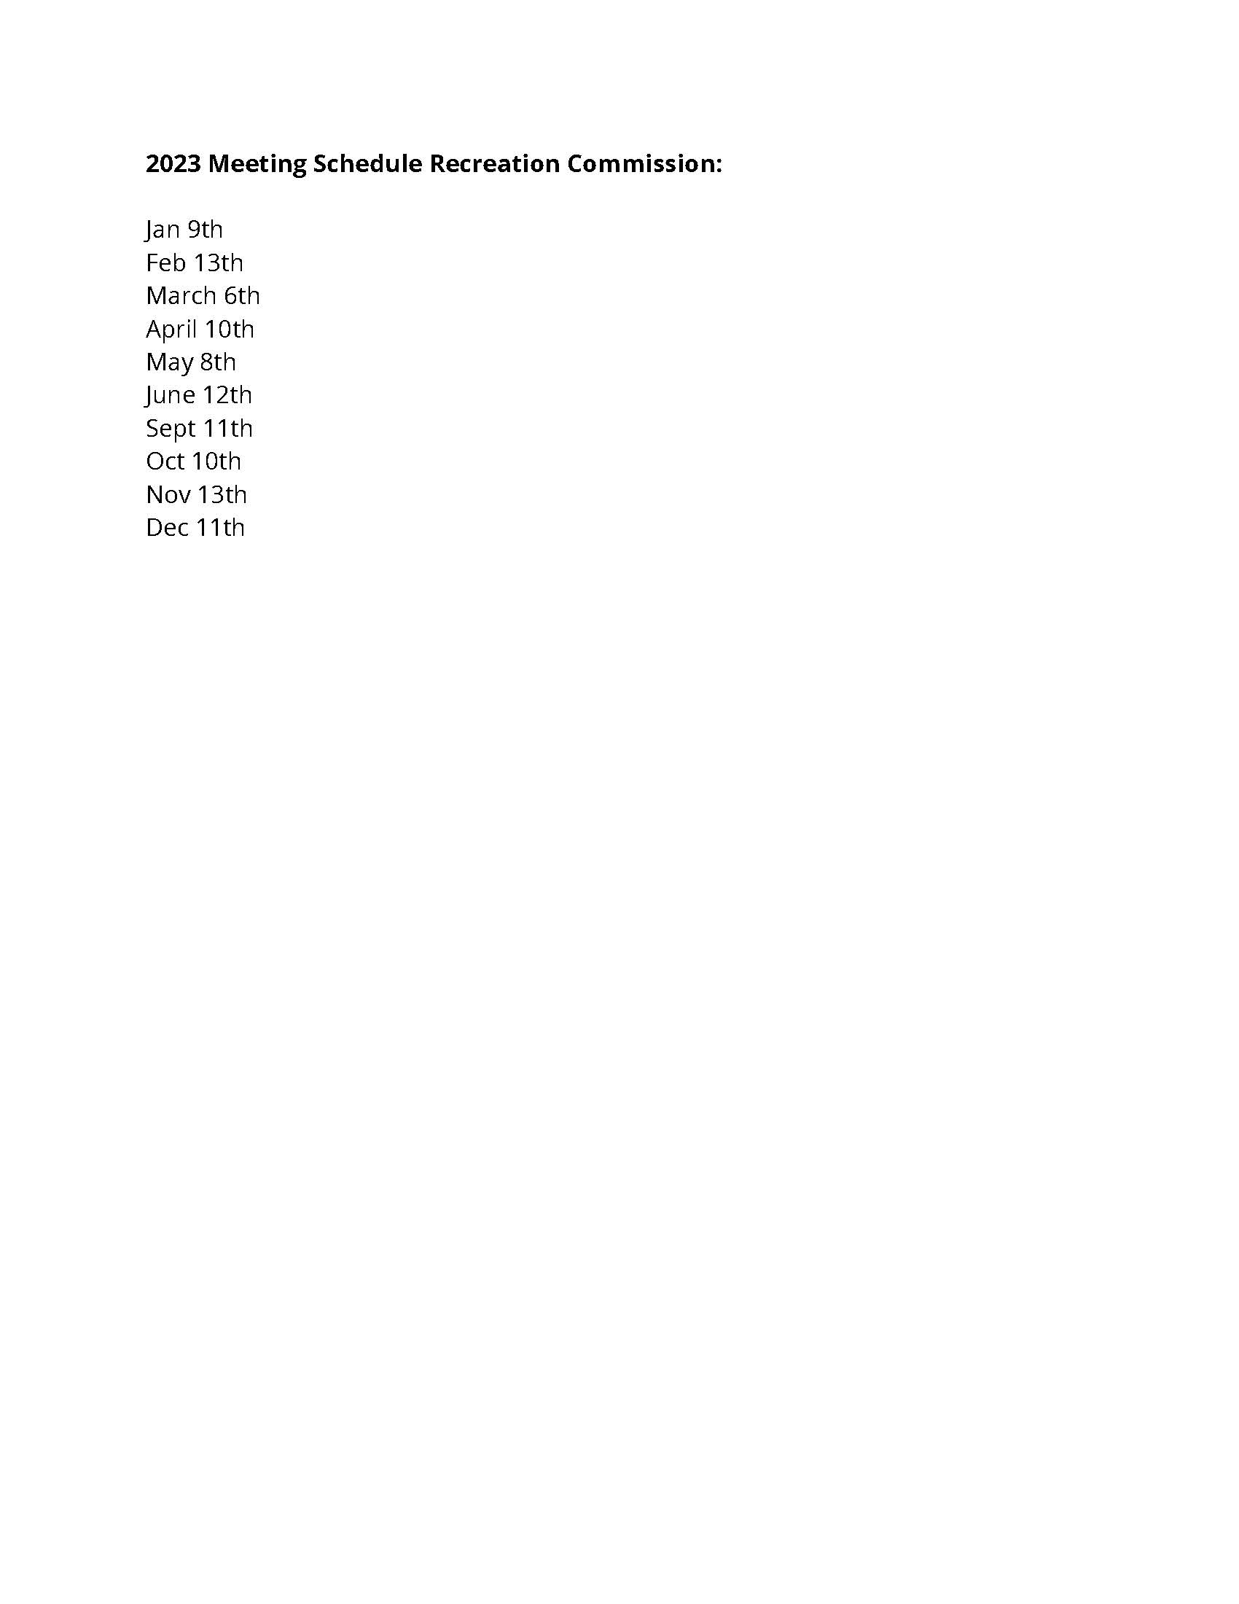
List of Meeting Dates for 2023:
 | These meetings are held in person. If needed they could be held virtually.
 | Participation is in person.
 | These meetings are not recorded, but minutes are taken and can be viewed at Borough Hall in the Recreation Department or on the borough website

Dunellen Arts and Culture Com.
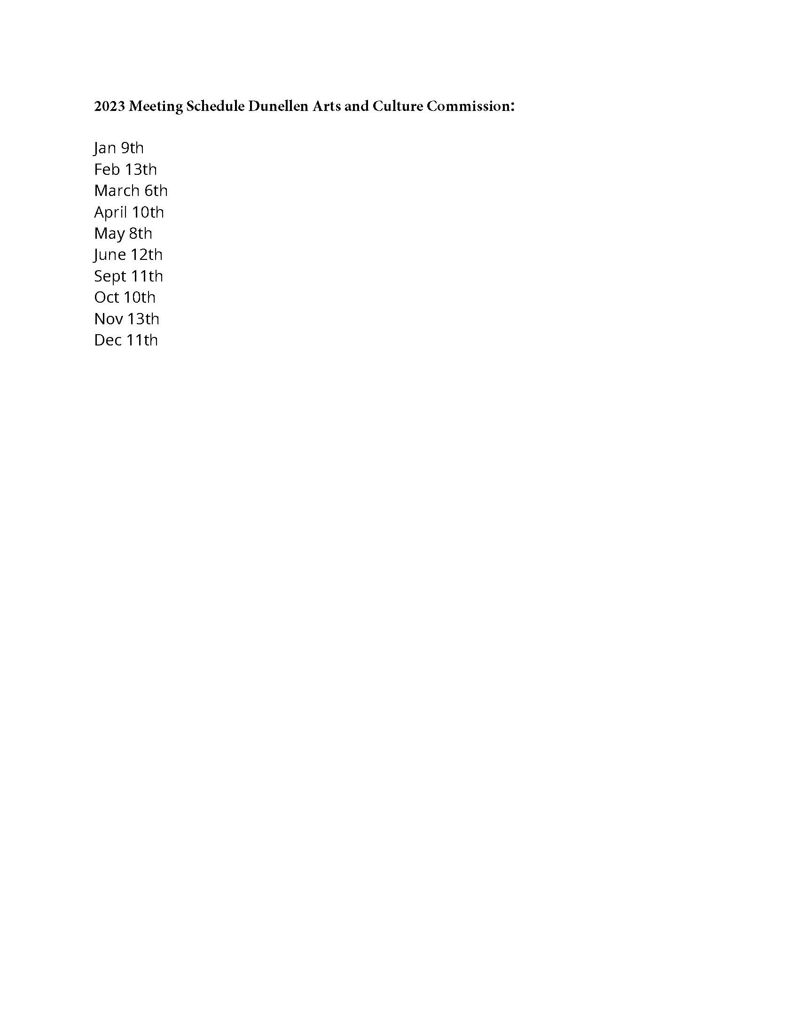
List of Meeting Dates for 2023:
 | These meetings are usually held in person. If needed they could could be held virtually.
 | recorded- No
 | After each meeting the mintues are generated and approved the following month
 | Where can someone view minutes- online.

Dunellen Downtown Man.
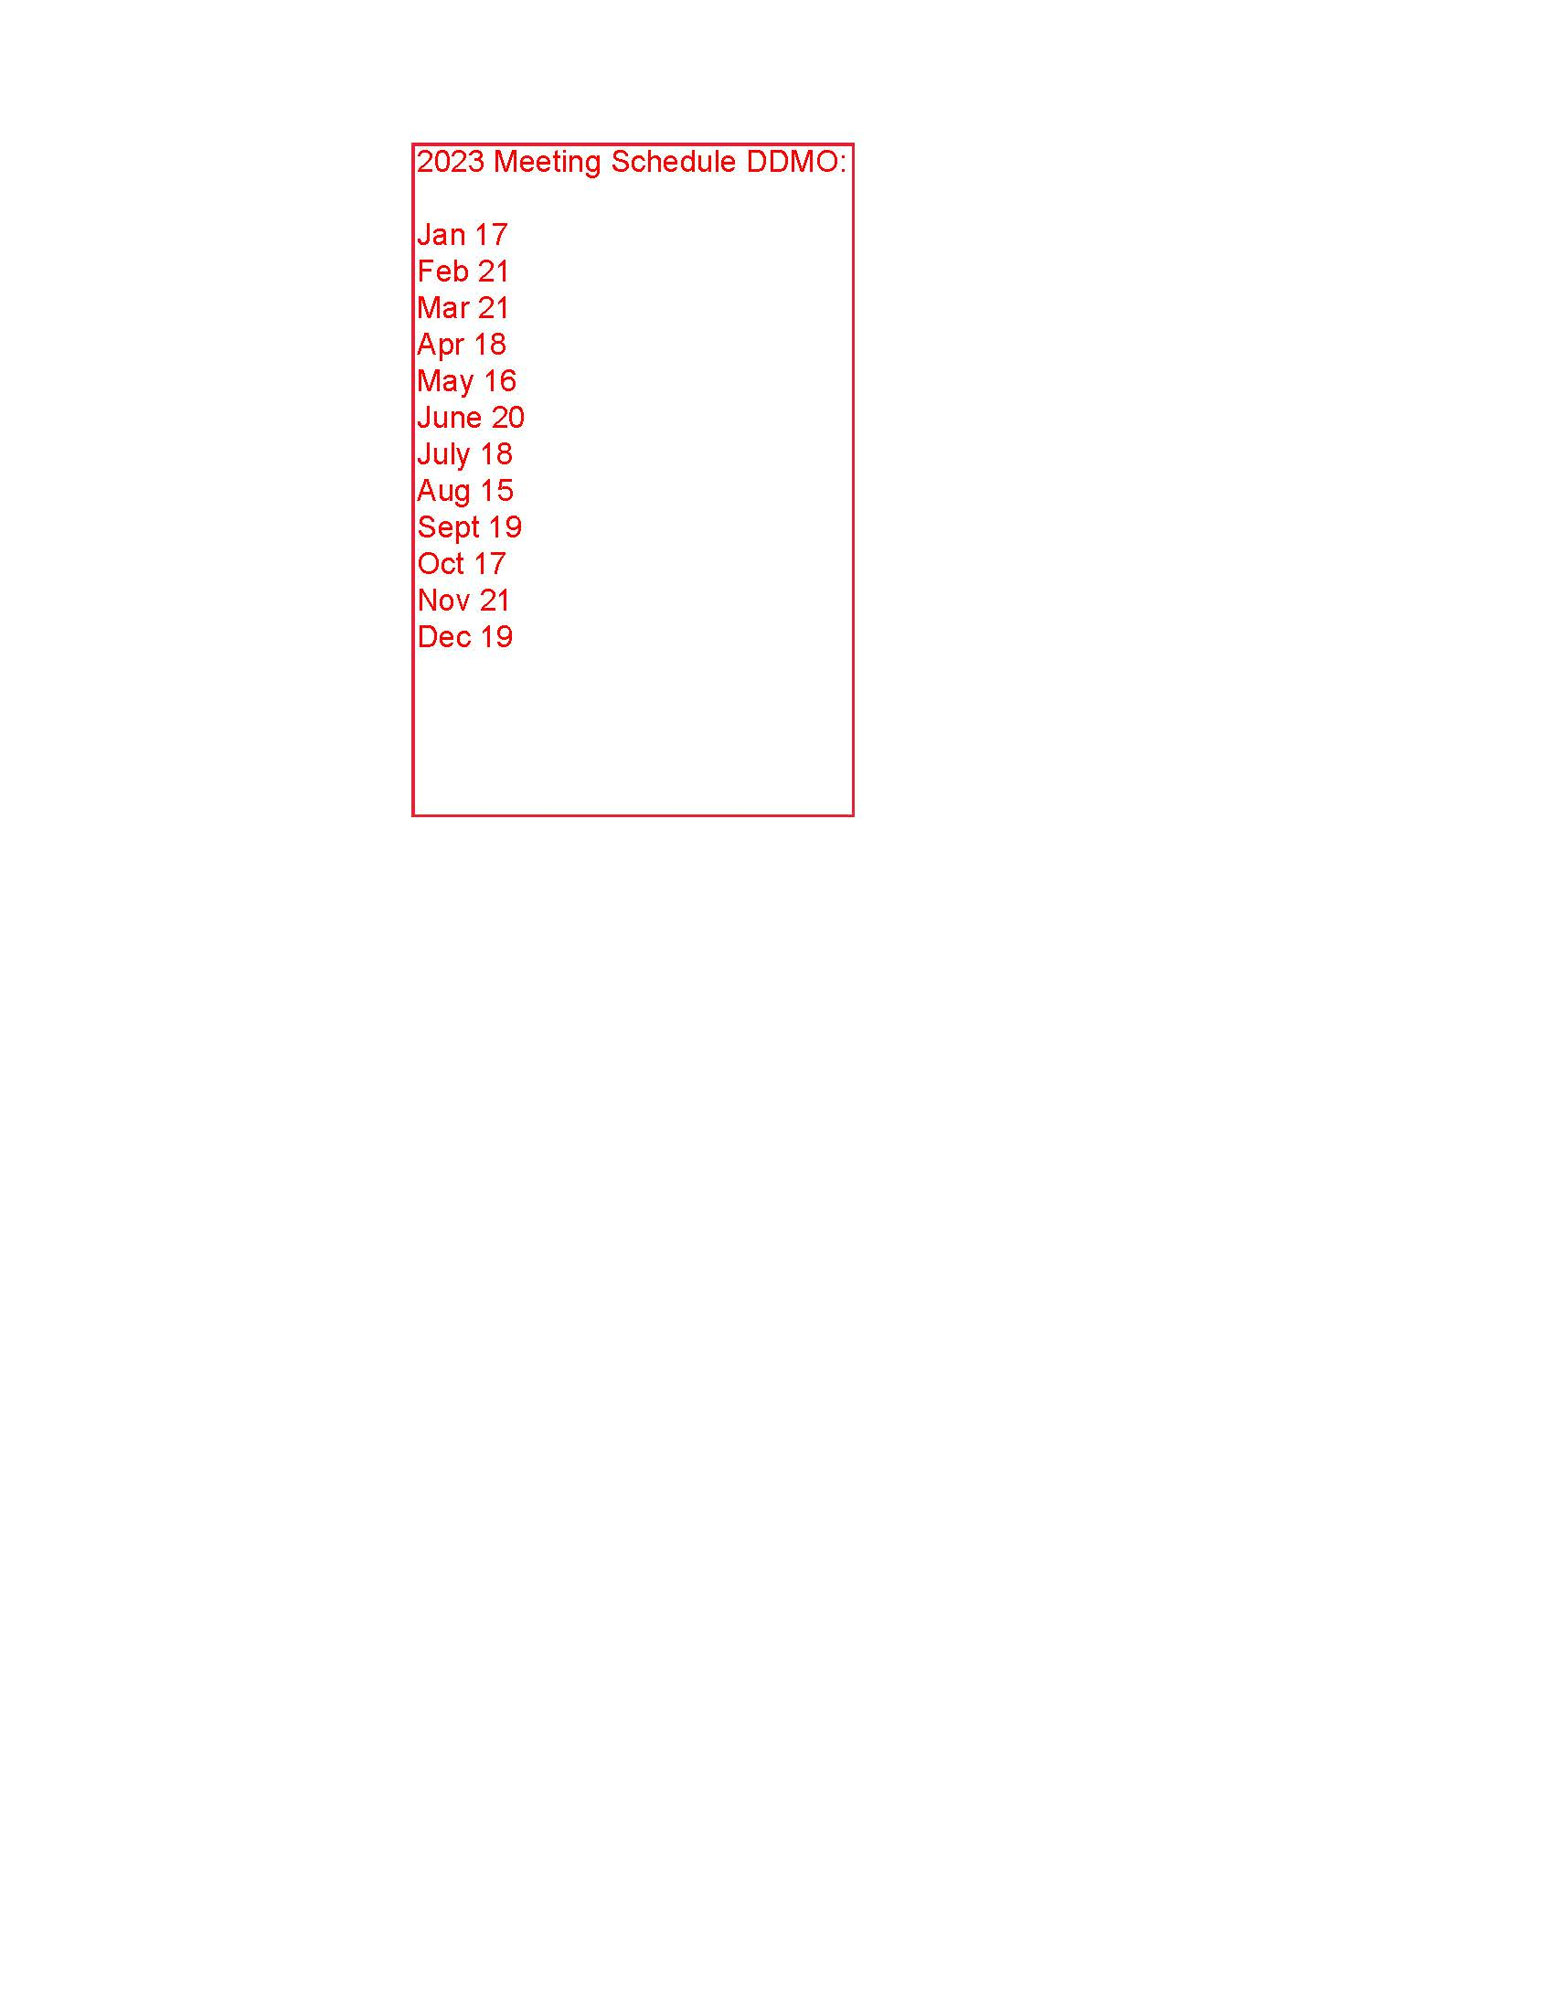
List of Meeting Dates for 2023:
 | These meetings are held virtually only on Zoom.
 | Not Recorded
 | Minutes are sent out then approved at the next meeting. They can be viewed on the borough website.

Parking Authority
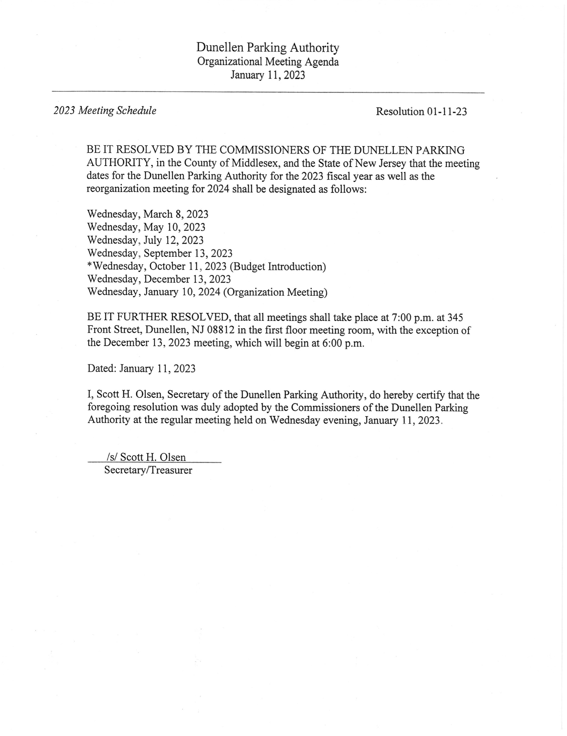
List of Meeting Dates for 2023:
 | These meetings are held in person only.
 | No recordings are made.
 | Minutes are taken. Can be viewed at the parking authority.

